Project3200
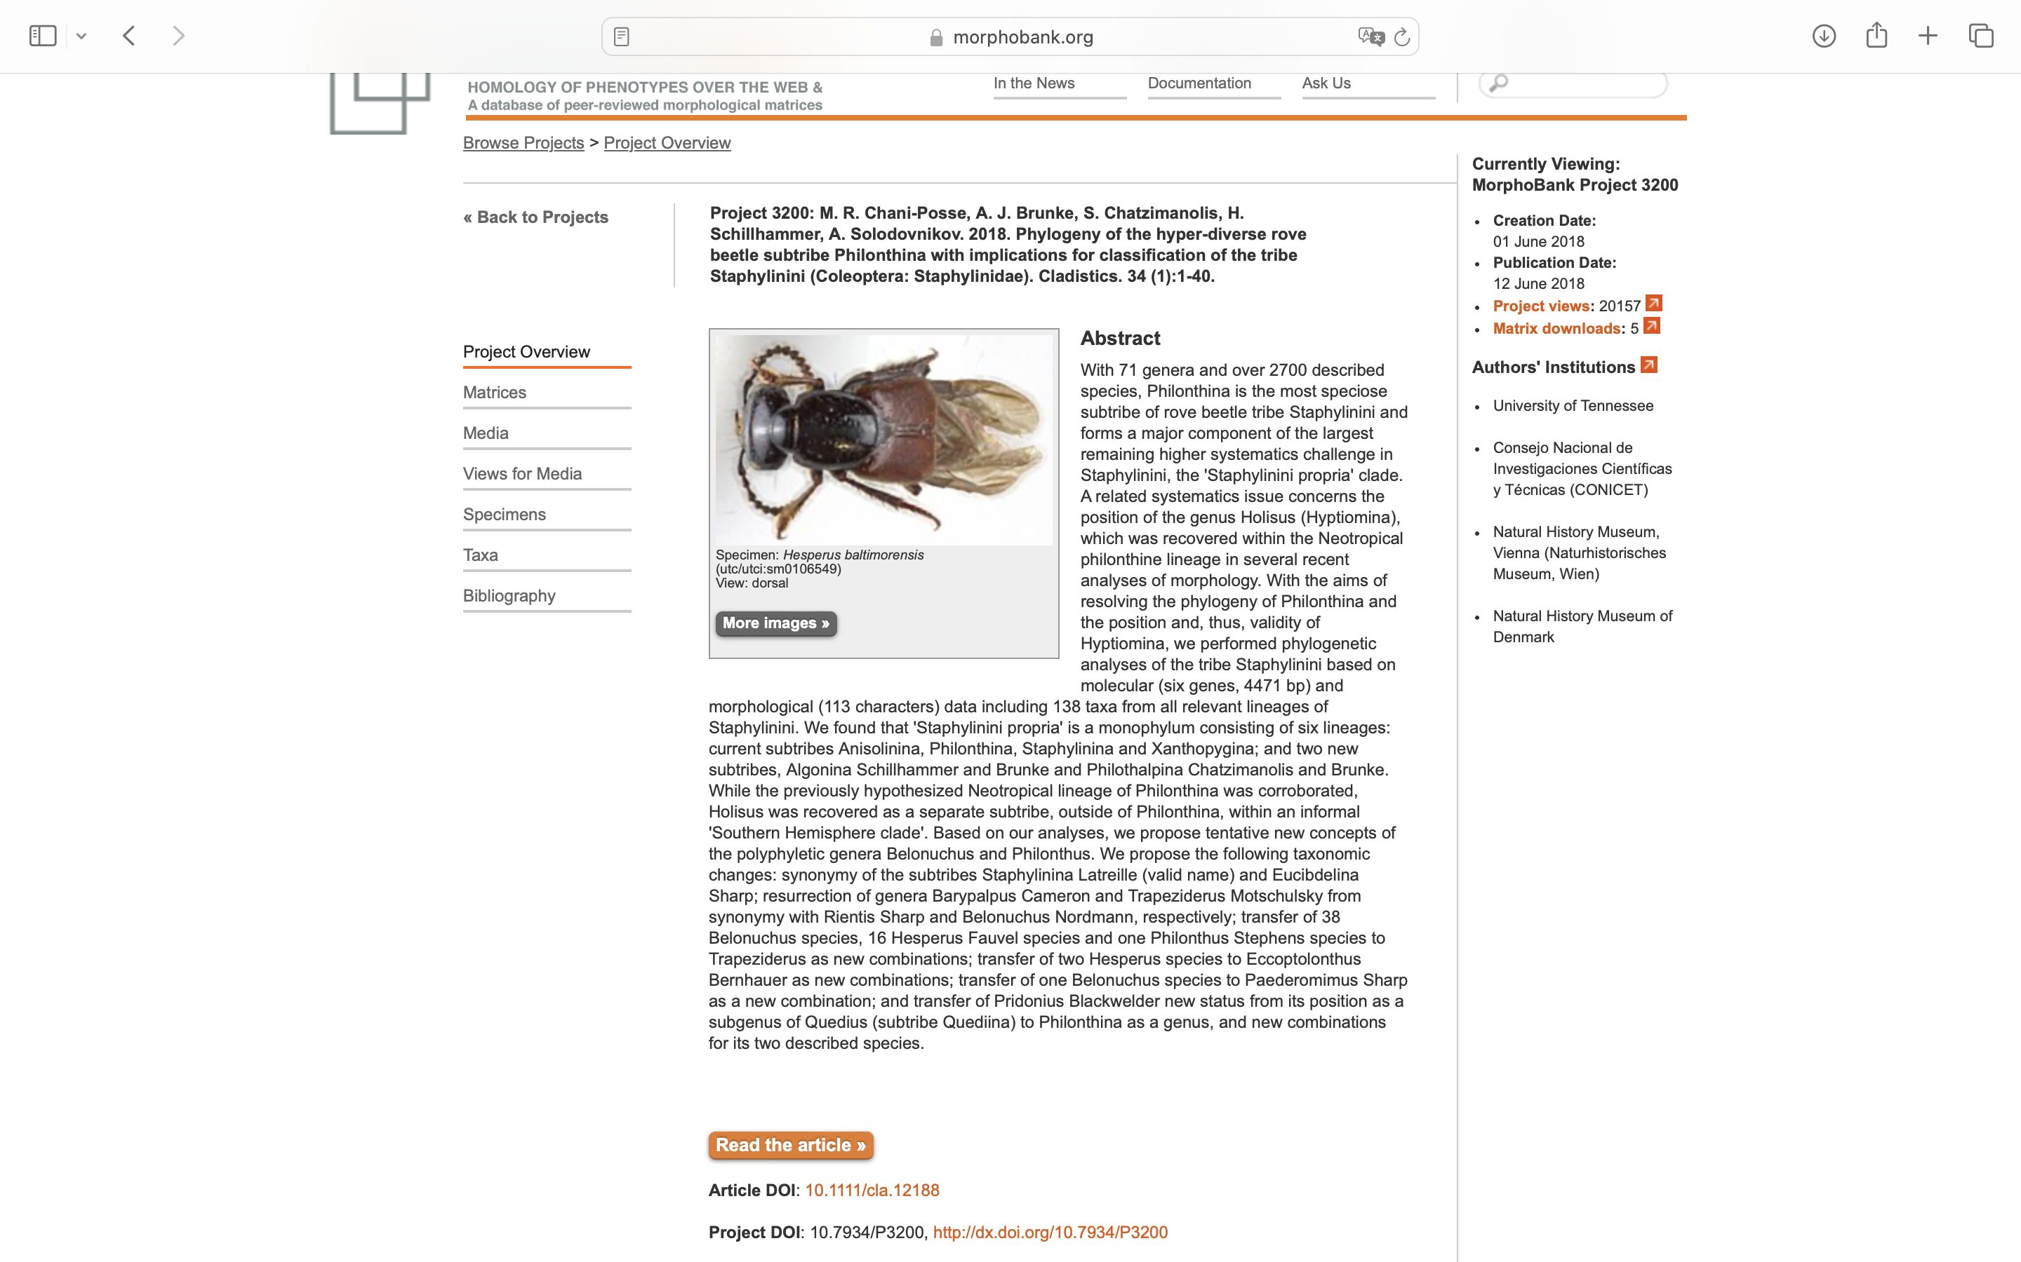
Charlabels | Character Pattern | Unseen States
[1] 'Antennal insertions (ai), position in relation to frontoclypeus and eye:' | Transformational | YES
[2] 'Antennae, relative length of antennomere 1 (a1), and antennomeres 2 (a2) and 3 (a3) combined:' | Transformational | NO
[3] 'Antennae, length of antennomeres 3 and 2 ratio (a3/a2):' | Transformational | YES
[4] 'Antennae, antennomere 3, tomentose pubescence:' | Neomorphic | NO
[5] 'Antennae, antennomere 4, tomentose pubescence:' | Neomorphic | NO
[6] 'Antennnae, antennomere 6, apical long setae:' | Neomorphic | NO
[7] 'Head, dorsal surface punctuation:' | Transformational | NO
[8] 'Head, ventral surface punctuation:' | Transformational | NO
[9] 'Head, neck constriction:' | NT?;0=11;1=12;2=0-
[10] 'Head, dorsal basal ridge:' | Neomorphic | NO
[11] 'Head, ventral basal ridge (vbr), development:' | Transformational | YES
[12] 'Head, postgenal ridge:' | Neomorphic | NO
[13] 'Head, postgenal ridge (pgr) relative to ventral basal ridge (vbr), development:' | Transformational | YES
[14] 'Head, postmandibular ridge:' | Neomorphic | NO
[15] 'Head, postmandibular ridge (pmr) relative to mandibular base (mb):' | NT?;0=11;1=12;2=0-
[16] 'Head, postmandibular sulcus:' | Neomorphic | NO
[17] 'Head, infraorbital ridge:' | Neomorphic | NO
[18] 'Head, infraorbital ridge (ior), development (sensu Smetana, see Chani-Posse 2014):' | NT?;0=0-;1=11;2=12
[19] 'Head, ligula, shape:' | NT?;0=11;1=12;2=0-
[20] 'Head, mandibles, dorso-lateral groove:' | Neomorphic | NO
[21] 'Head, mentum, seta alpha:' | Neomorphic | NO
[22] 'Labial palpus, palpomere 2 (preapical), setal brush:' | Neomorphic | NO
[23] 'Labial palpus, palpomere 3 (apical), shape:' | Transformational | YES
[24] 'Labial palpus, relative length of palpomeres 3 (p3, apical) and 2 (p2, preapical) (p3/p2):' | Transformational | NO
[25] 'Maxillary palpus, palpomere 4 (apical), shape:' | Transformational | YES
[26] 'Gular sutures (gs), development:' | Transformational | NO
[27] 'Gular sutures (gs), if not joined before neck, degree of separation:' | Transformational | YES
[28] 'Gular sutures, if joined before neck, joining point:' | Transformational | YES
[29] 'Hypostomal cavity (hc):' | Neomorphic | NO
[30] 'Hypostomal cavity (hc), if present:' | Transformational | YES
[31] 'Neck, transverse carina:' | Neomorphic | NO
[32] 'Neck, disc punctation (i.e., dorsal surface of neck not including dorsolateral areas):' | Neomorphic | NO
[33] 'Prothorax, anterior angles (aap) relative to anterior margin of prosternum (amp):' | Transformational | NO
[34] 'Prothorax, pronotum,long marginal setae:' | Neomorphic | NO
[35] 'Prothorax, large lateral setiferous puncture (llsp), position in relation to superior marginal line of pronotum (smlp):' | Transformational | NO
[36] 'Prothorax, pronotum, punctation of disc:' | Transformational | YES
[37] 'Prothorax, basisternum (bs), length relative to length of furcasternum (fs) (bs/fs, measured laterally):' | Transformational | YES
[38] 'Prothorax, prosternum, transverse carina on basisternum:' | Neomorphic | NO
[39] 'Prothorax, prosternum, transverse carina on basisternum (tc), development (when present):' | Transformational | YES
[40] 'Prothorax, prosternum, transverse carina on basisternum (tc), shape (when present):' | Transformational | YES
[41] 'Prothorax, prosternum, longitudinal ridge (in ventral view):' | Neomorphic | NO
[42] 'Prosternum, keel:' | Neomorphic | NO
[43] 'Prothorax, prosternum, microsculpture of oblique and transverse wavelines:' | NN;0=00;1=01;1=10
[44] 'Prothorax, prosternum, furcasternum, meshed microsculpture :' | Neomorphic | NO
[45] 'Prothorax, hypomeron, superior marginal line, deflection under anterior angles (ventral view):' | Neomorphic | NO
[46] 'Prothorax, hypomeron, inferior marginal line (iml), development:' | Transformational | YES
[47] 'Prothorax, postcoxal process:' | Neomorphic | NO
[48] 'Prothorax, degree of fusion of pronotum (pnt) and prosternum (pst):' | Transformational | YES
[49] 'Prothorax, prosternum, basisternum, pair of macrosetae:' | Neomorphic | NO
[50] 'Prothorax, prosternum, basisternum, position of pair of macrosetae (ms, if present) in relation to anterior margin of prosternum (amp) and the sternacostal suture (ss):' | Transformational | NO
[51] 'Mesothorax, elytron, subbasal ridge:' | Neomorphic | NO
[52] 'Mesothorax, elytron, subbasal ridge (sbr), shape:' | Transformational | YES
[53] 'Mesothorax, mesoscutellum, posterior scutellar ridge:' | Neomorphic | NO
[54] 'Mesothorax, elytron, humeral spines or spine-like setae:' | Neomorphic | NO
[55] 'Mesothorax, elytron, punctation of epipleuron:' | NT?;0=0-;1=11;2=12
[56] 'Sternopleural (anapleural) suture:' | Transformational | YES
[57] 'Sternopleural (anapleural) sutures (sps), their position with respect to anterior margin of mesoventrite (amm):' | Transformational | NO
[58] 'Mesothorax, mesoventral anterior carina of prepectus:' | Neomorphic | NO
[59] 'Mesothorax, mesoventral anterior half of prepectus, free (not connected) ridge:' | Neomorphic | NO
[60] 'Mesothorax, mesoventral posterior half of prepectus, ridge connecting coxal cavities:' | Neomorphic | NO
[61] 'Mesothorax, mesoventral posterior half of prepectus, ridge connecting coxal cavities, if present:' | Transformational | YES
[62] 'Mesothorax, mesoventral posterior half of prepectus, acute ridge not connecting coxal cavities:' | Neomorphic | NO
[63] 'Mesothorax, mesocoxae:' | Transformational | YES
[64] 'Mesothorax, intercoxal process, apex:' | Transformational | YES
[65] 'Protibiae, shape:' | Transformational | YES
[66] 'Protibiae, apical excavation:' | Neomorphic | NO
[67] 'Profemora, lateroventral medial spines (posterior row):' | Neomorphic | NO
[68] 'Profemora, lateroventral apical spines (anterior row):' | Neomorphic | NO
[69] 'Protarsi, shape of tarsomeres 1-4:' | Transformational | YES
[70] 'Protarsi, ventral chaetotaxy, modified pale (adhesive) setae :' | Neomorphic | NO
[71] 'Metacoxae, transverse carina:' | Neomorphic | NO
[72] 'Metacoxae, ventral spines:' | Neomorphic | NO
[73] 'Male metafemora, spines:' | Neomorphic | NO
[74] 'Metatarsi, relative length of tarsomeres 1 (t1) and 5 (t5) (t1/t5):' | Transformational | YES
[75] 'Metatarsi, tarsomeres 3-5, dorsal surface, chaetotaxy:' | Transformational | YES
[76] 'Metarsi, tarsomere 4, inner marginal spine-like setae:' | Neomorphic | NO
[77] 'Metatibiae, spines:' | Neomorphic | NO
[78] 'Apical tarsomere, empodial setae:' | Neomorphic | NO
[79] 'Apical tarsomere, empodial spine:' | Neomorphic | NO
[80] 'Hind wing, venation, veins CuA and MP4:' | Transformational | NO
[81] 'Hind wing, venation, MP3:' | Neomorphic | NO
[82] 'Abdomen, protergal glands, cuticular manifestation:' | Transformational | YES
[83] 'Abdomen, shape:' | Transformational | YES
[84] 'Abdomen, tergites 3 and 4, ABTC, pair of accessory ridges:' | Neomorphic | NO
[85] 'Abdomen, tergum 3, PBTC:' | Neomorphic | NO
[86] 'Abdomen, tergum 5, ABTC, pair of accessory ridges:' | Neomorphic | NO
[87] 'Abdomen, tergum 4, PBTC:' | Neomorphic | NO
[88] 'Abdomen, tergum 5, PBTC:' | Neomorphic | NO
[89] 'Abdomen, tergum 5, PBTC, shape (if present):' | Transformational | YES
[90] 'Abdomen, tergum 3, curved ridge on disc:' | Neomorphic | NO
[91] 'Abdomen, tergum 4, curved ridge on disc:' | Neomorphic | NO
[92] 'Abdomen, tergum 5, curved ridge on disc:' | Neomorphic | NO
[93] 'Abdomen, sternum 3, basal transverse carina, medial area:' | Transformational | YES
[94] 'Abdomen, sternum 3, basal transverse carina, shape of its lateral area:' | Transformational | NO
[95] 'Abdomen, male sternum 7, patches of setae on disc:' | Neomorphic | NO
[96] 'Male sternum 8, apical margin, distinct medial projection:' | Neomorphic | NO
[97] 'Female sternum 8, apical margin, distinct medial projection:' | Neomorphic | NO
[98] 'Male sternum 9, relative length of basal (bp) and distal (dp) portions (bp/dp):' | Transformational | YES
[99] 'Male sternum 9, basal portion:' | Transformational | NO
[100] 'Male sternum 9, basal portion, asymmetry:' | Transformational | YES
[101] 'Male sternum 9, distal portion, median emargination:' | Neomorphic | NO
[102] 'Male sternum 9, distal portion, emargination (if distinct):' | Transformational | YES
[103] 'Lateral tergal sclerites 9 (styli), apical straight setae:' | Neomorphic | NO
[104] 'Lateral tergal sclerites 9 (styli), shape:' | Transformational | YES
[105] 'Lateral tergal sclerites 9 (styli) (if dorsoventrally flattened):' | Transformational | NO
[106] 'Male tergum 10, shape:' | Transformational | YES
[107] 'Female tergum 10, apex:' | Transformational | YES
[108] 'Male: aedeagus, parameres, separation:' | Transformational | NO
[109] 'Male: aedeagus, paramere(s), sensory peg setae:' | Neomorphic | NO
[110] 'Male: aedeagus, paramere(s), degree of attachment to median lobe:' | Transformational | YES
[111] 'Male: aedeagus, paramere(s), shape:' | Transformational | YES
[112] 'Ovipositor, each second gonocoxite, number of macrosetae:' | Transformational | YES
[113] 'Female genitalia, accesory sclerite:' | Neomorphic | NO

